1
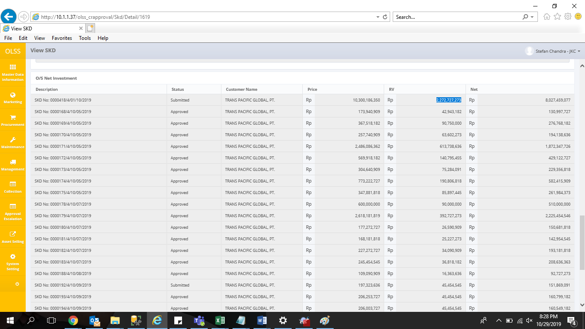
informasi pertama begini. Kolom total net investment sudah menunjukan angka yang benar. Nilai RV with VAT juga. Kolom product price masih salah
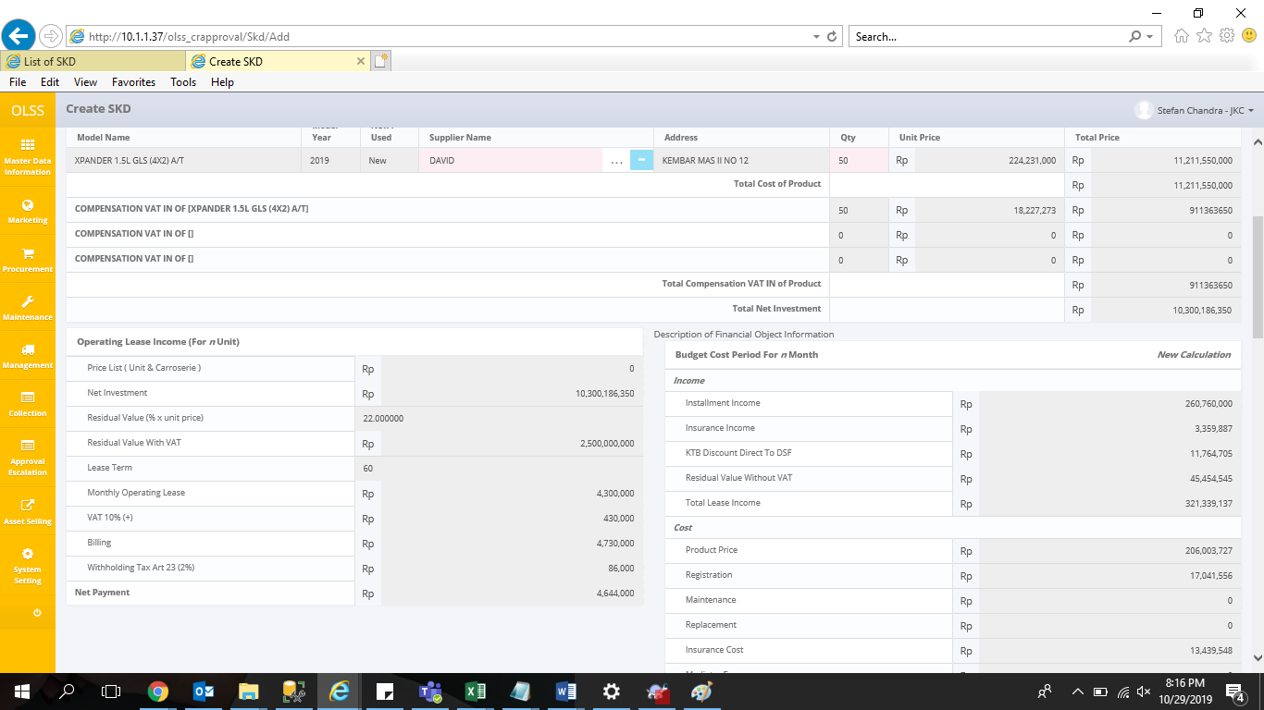

setelah di klik field nya dan ketik apapun di keyboard, nilai NI akan otomatis berubah dengan NI yang benar, namun RV masih termasuk VAT (seharusnya exclude VAT)
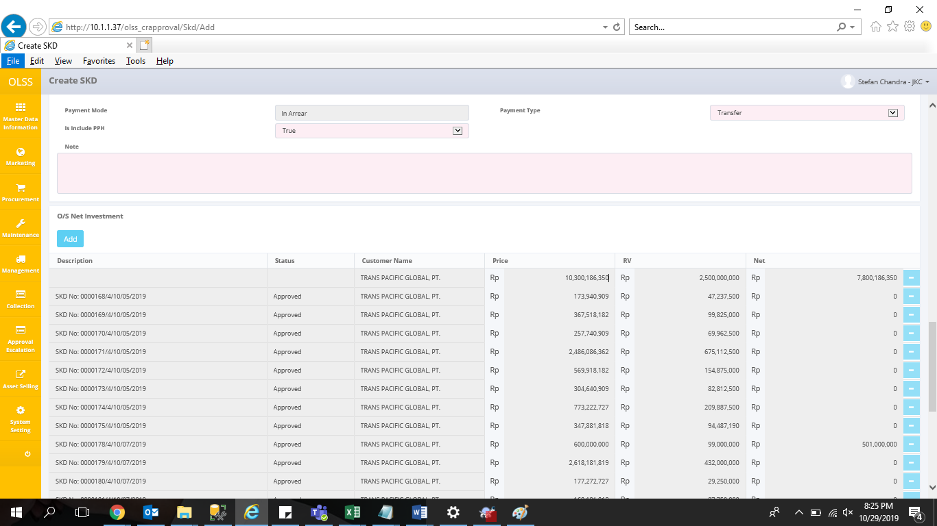

namun ketika disubmit, nilai NI, RV dan net menunjukan angka yang benar

2
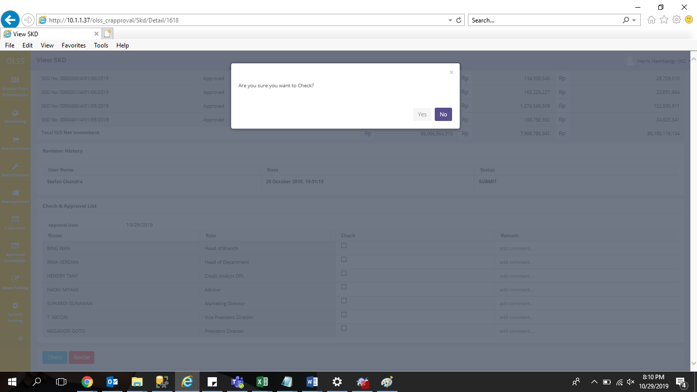
Checklist ga dicek semua, button yes diklik sekali lalu tidak bisa diklik lagi dan pop up warning tidak keluar.

3
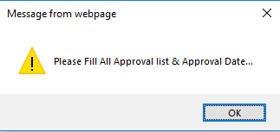

4
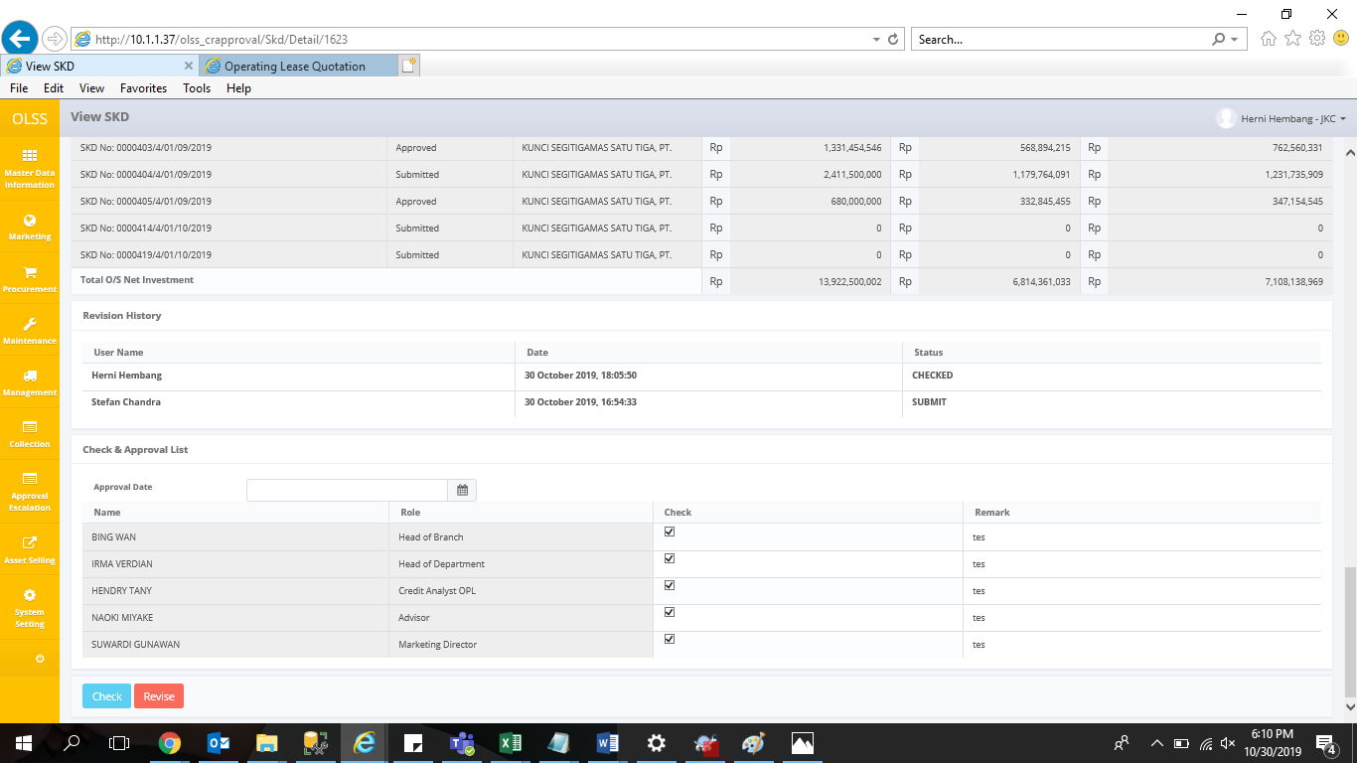
approval date nya kosong setelah SKD di cek

5
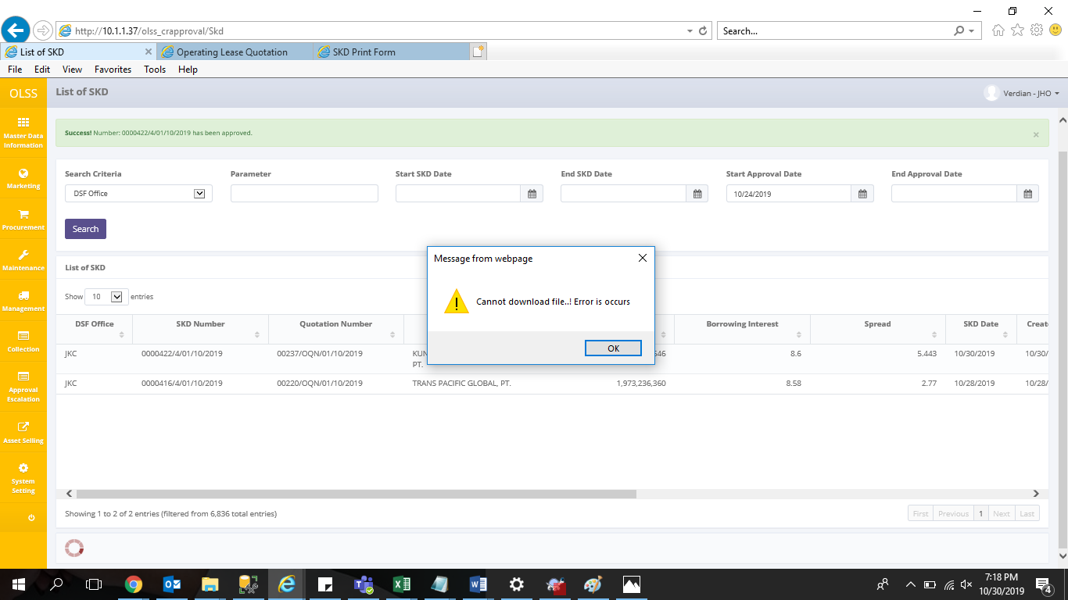
muncul error saat print list SKD

7
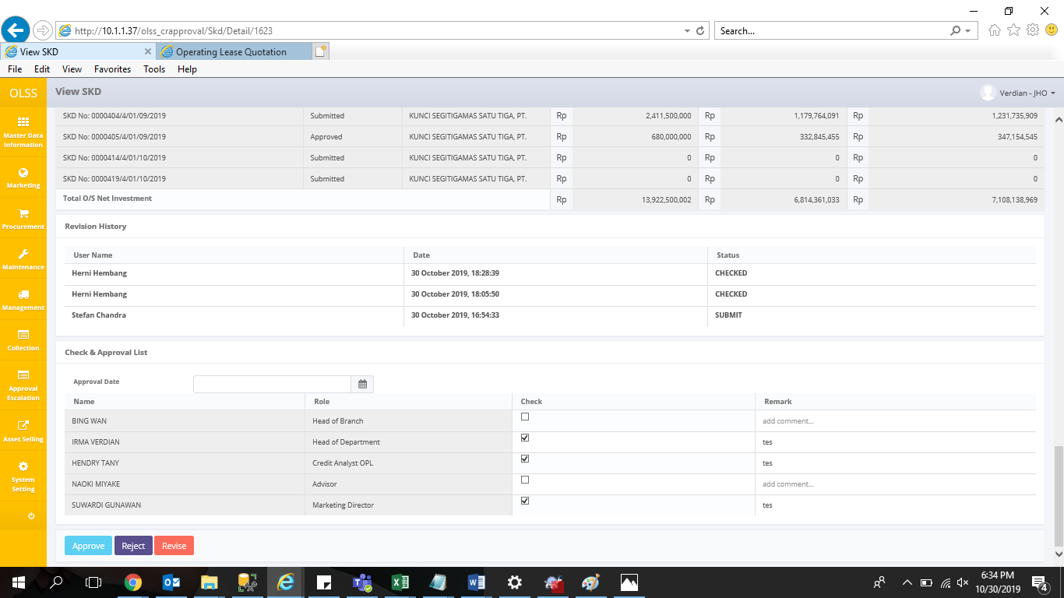

8
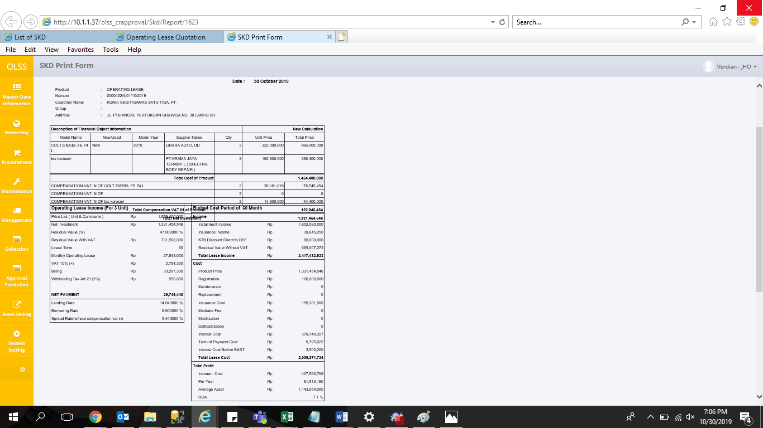
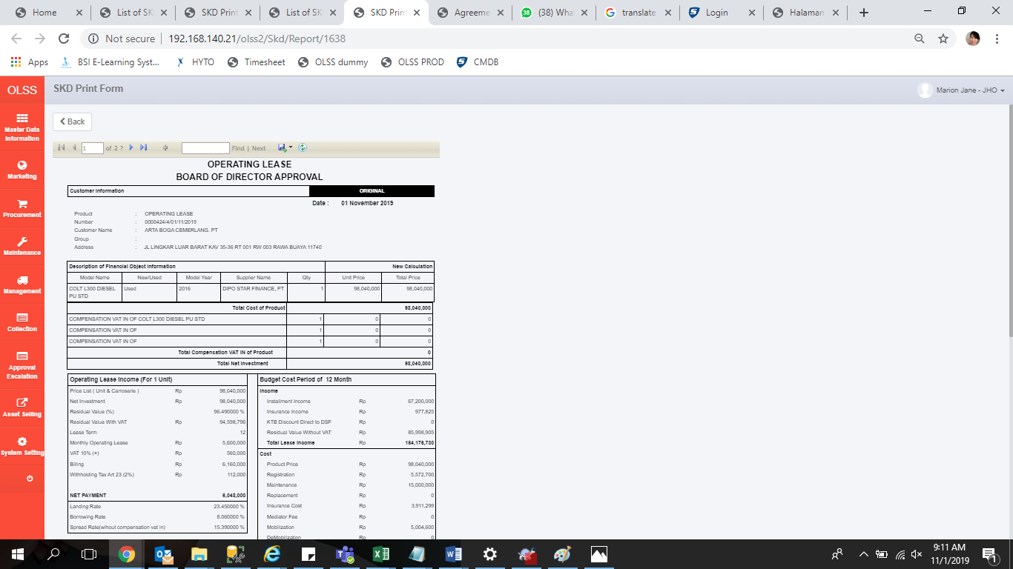
tulisannya ada yang ketumpuk

9
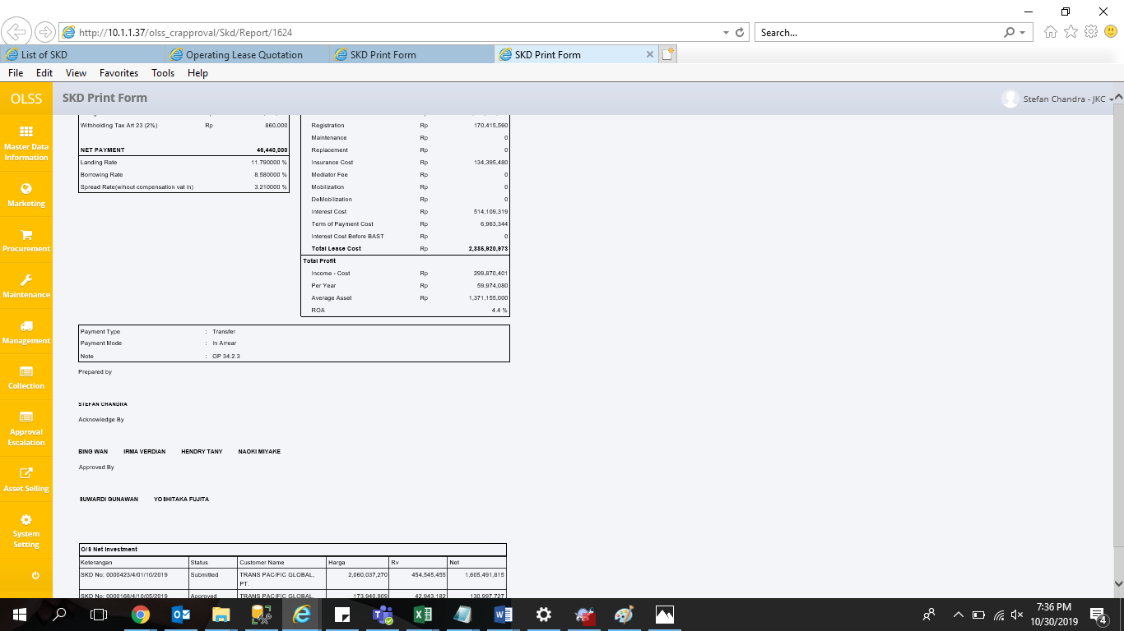
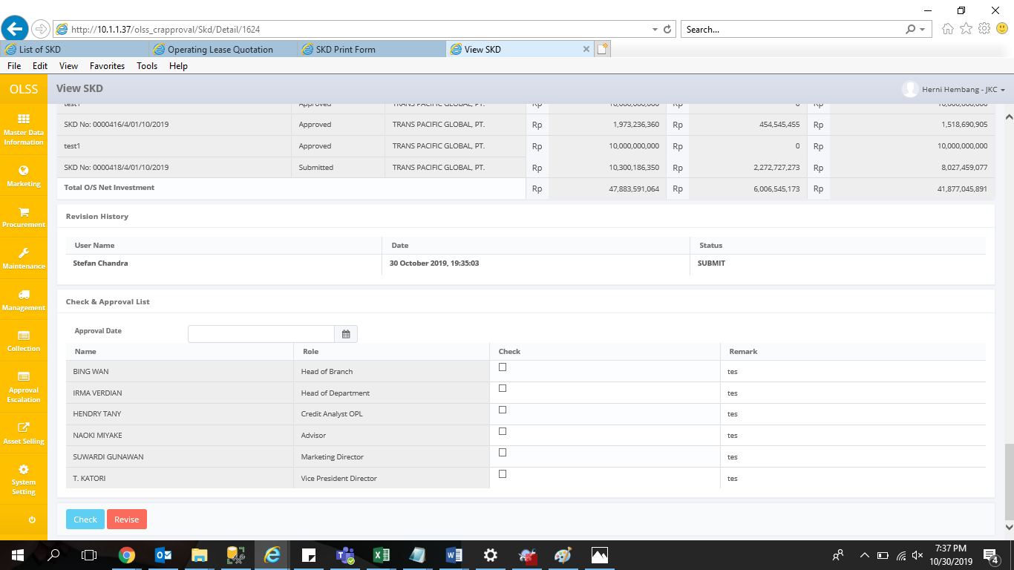
0000423/4/01/10/2019

10
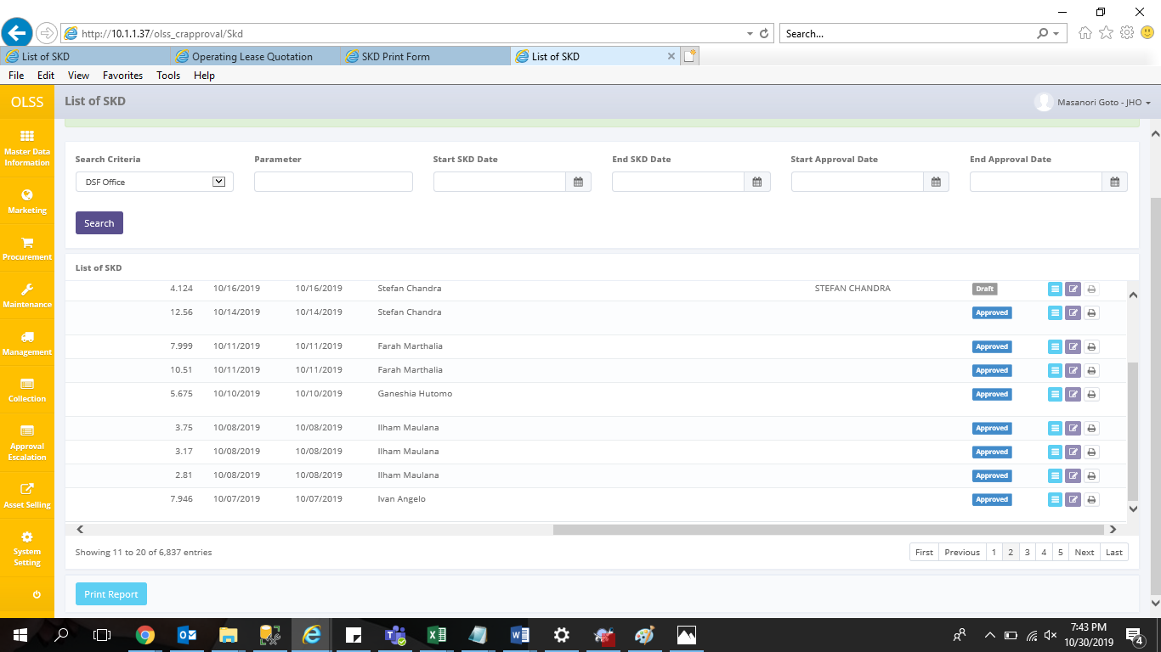
status approved, next approval nya IRMA VERDIAN
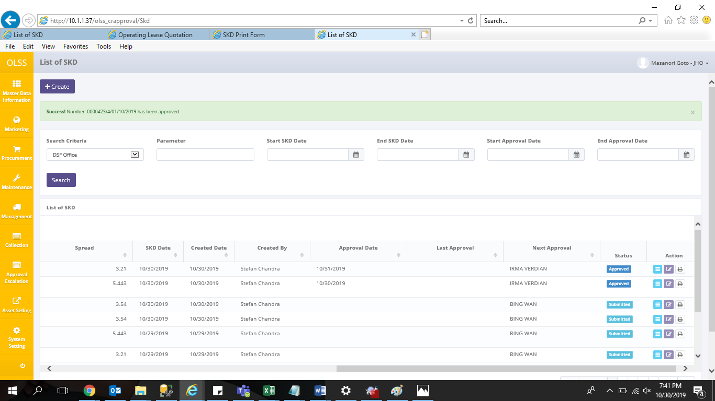

seharusnya kosong

11
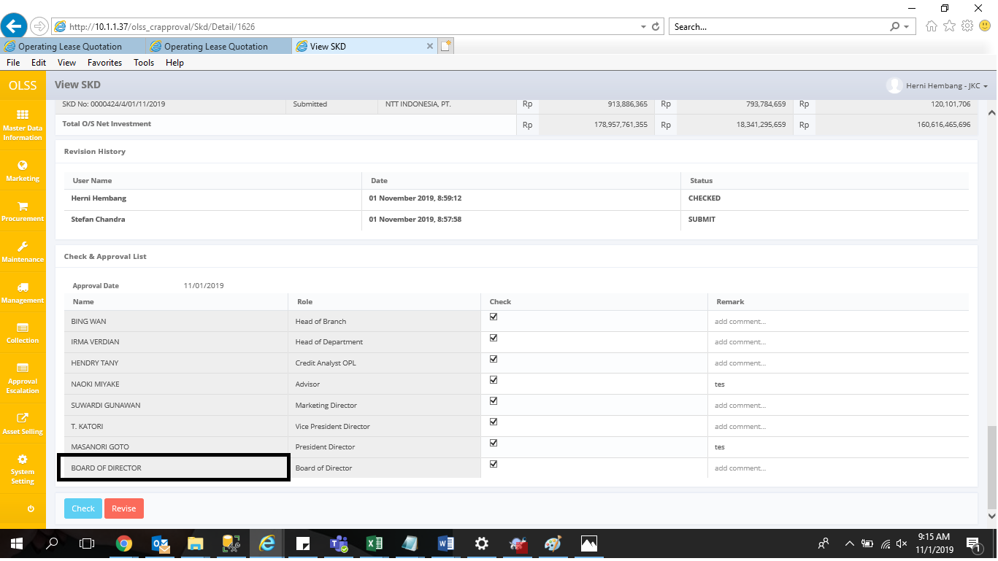
harusnya namanya Shareholder's Meeting

14
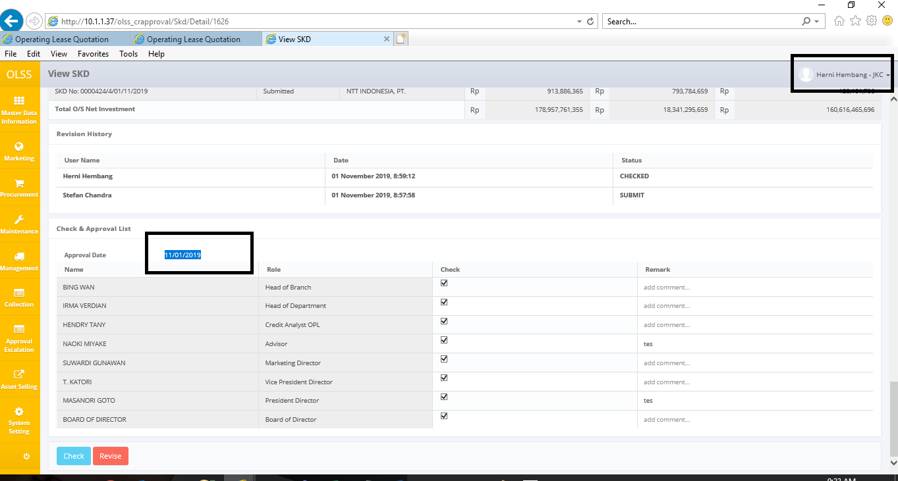
untuk admin OPL, checklist table bisa di edit jika statusnya SUBMITTED

